A scorecard
Car Loan A-score Model Development (Internal score)
 | 0. Overview
Manual | 1. Data Preparation
 | 2. Model Development Sample Design
 | 3. Feature Engineering
 | 4. Portfolio Analysis & Insight
 | 5. Methodology Review
 | 6. Model Development
 | 7. Final Model Selection & Business Implication

0. Overview
 | This model that we developed in March 2020 will serve as an initial credit assessment at origination (A-score) for 3 auto-loan products which are:
 | 1.PAOC Auto Loans Online Lending with Guarantee
 | 2.CUP Auto Loans Online Lending with Guarantee
 | 3.WCD Auto Loans without Fallback (Phase )

1. Data Preparation

 | Append data from loan daily report at end month.
 | For developing a model, we have to gather the customer data from many sources as much as possible. This data is treated as independent variables and is used to predict customer credit score. Besides, we also have to have the performance (default or not default) which is treated as dependent variable in order to evaluate the model performance.
 | We developed the model by using the customer data of WCD Auto Loans with Fallback from March 2019 to February 2020 (9,780 records) to be independent variables such as car price, education level and customer gender. Additionally, we obtained the overdue day from loan daily report. We therefore had both independent variables and dependent variable.
2. Model Development Sample Design

Objective
1 | Observation window and performance period
2 | Bad definition (30+DPDs, 60+DPDs, Buyback)

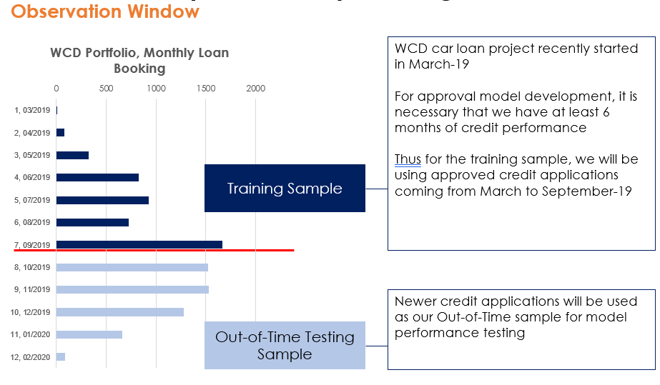
Observation Window

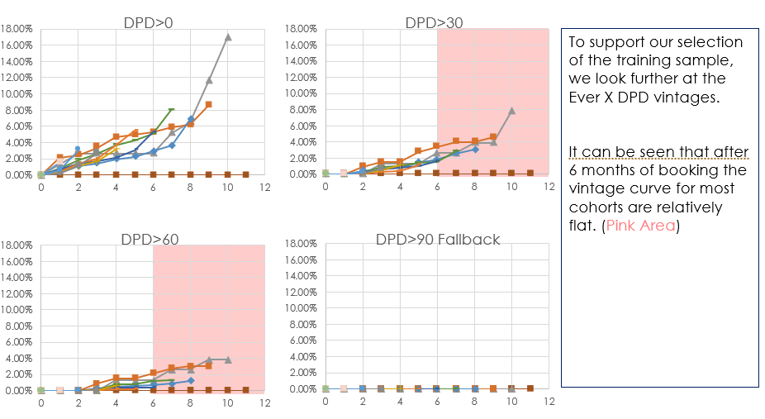
Performance Window

Good and Bad Definition

 | Generally, a credit risk model is used to predict whether or not the customer will be default in the next period of time after the disbursement date (i.e. next 6 months), so we have to decide how much overdue days to be treated as default. The method to do that is called Roll Rate Analysis. It will divide the overdue days (DPD) of every month into 5 buckets: 0 DPD, 1-30 DPD, 31-60 DPD, 61-90 DPD, and default (or buyback). Then calculate the probability that one bucket will move down to next bucket. Finally, choose the first bucket (range from 0 DPD to default) that have the probability more than 50 percent. The result of the roll rate analysis is 31-60 DPD as shown in picture below.

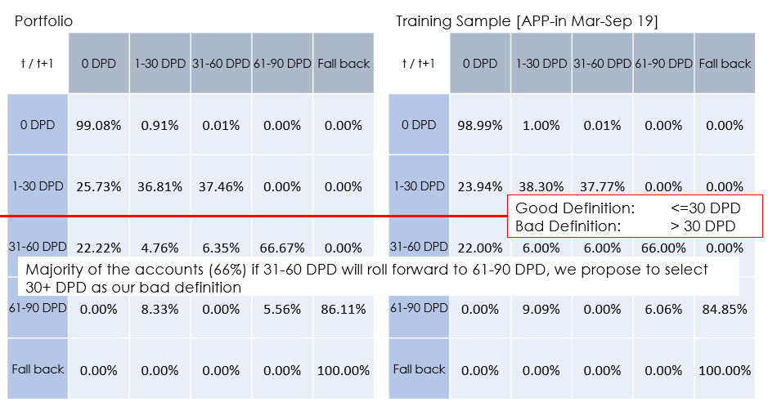

 | Therefore, if a customer has DPD more than 30 days, it will be treated as default.

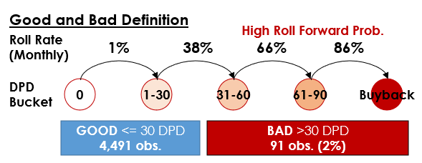

3. Feature Engineering

4. Portfolio Analysis & Insight

 | The goal for this step is to deeply understand the data we have. For example, which occupation is high bad rate or which occupation has the most numbers of customers. For a feature that is ordinal, we have to check the soundness of the data each feature by computing WOE (weight of evidence). The more the WOE is, the less the default rate.

 | Variable | IV | Predictive Power | Correlation with Defaults
 | Installment to Income | 0.416 | strong | +
 | Loan term | 0.3794 | strong | +
 | Car price | 0.3726 | strong | +
 | Occupation Industry | 0.3274 | strong | Mixed
 | Profession | 0.037 | weak | Mixed
 | Percent down payment | 0.1415 | medium | -
 | Car model year | 0.1299 | medium | +
 | Education | 0.1127 | medium | -
 | Car engine | 0.101 | medium | +
 | Car age | 0.0999 | weak | +
 | Age | 0.0542 | weak | +
 | New car flag | 0.0394 | weak | New < Used
 | Car gear | 0.2114 | medium | AT < MT
 | Gender | 0.0002 | unpredictive | M = F
 | Car brand | - | - | Mixed

 | + | The higher the variable the higher the default
 | - | The higher the variable the lower the default

 | The figures below are shown the WOE against the value of the feature. The values on each bar are default rate / percentage of population in each bin.

 | Installment to Income |  | Loan term
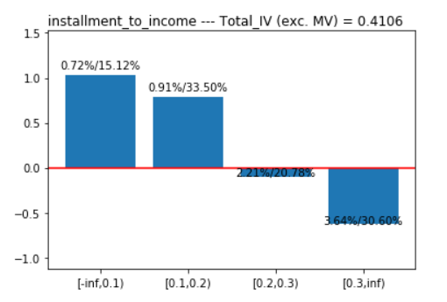

 | Car price |  | Occupation Industry

 | Profession |  | Percent down payment

 | Car model year |  | Education

 | Car engine |  | Car age

 | Age |  | New car flag

 | Car gear |  | Gender

 | For our analysis, there are 14 candidate independent variables sorted by IV (Information value) to use in our model as shown below.
 | Variable | IV | Predictive Power
 | Installment to Income | 0.416 | strong
 | Loan term | 0.3794 | strong
 | Car price | 0.3726 | strong
 | Occupation Industry | 0.3274 | strong
 | Profession | 0.037 | weak
 | Percent down payment | 0.1415 | medium
 | Car model year | 0.1299 | medium
 | Education | 0.1127 | medium
 | Car engine | 0.101 | medium
 | Car age | 0.0999 | weak
 | Age | 0.0542 | weak
 | New car flag | 0.0394 | weak
 | Car gear | 0.2114 | medium
 | Gender | 0.0002 | unpredictive

5. Methodology Review
 | There are various mathematical techniques available to build risk prediction scorecards—for example, logistic regression, neural networks, decision trees, and so on. Logistic regression is a common technique used to develop scorecards in most financial industry applications. In cases where the predicted variable is continuous, linear regression is used. The rest of this section will deal with using multiple logistic regression to predict a binary outcome (good/bad).

6. Model Development
 | We seek a model that has high GINI score as much as possible and avoid overfitting.
 | 4,582 observations split train and test

7. Final Model Selection & Business Implication

Results of train and test data
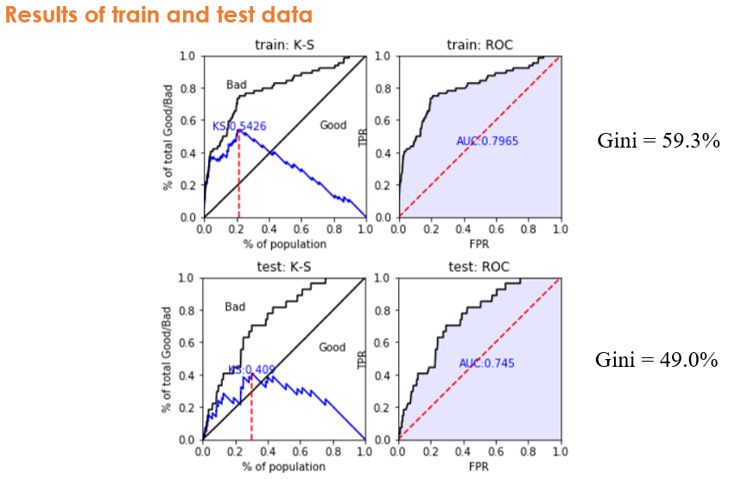

Score Distribution of Training Sample |  |  | Score Distribution of Out-of-Time Sample
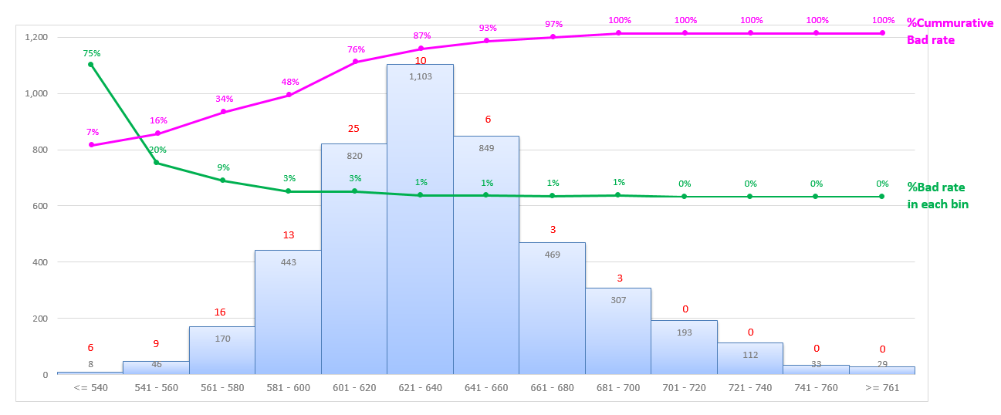
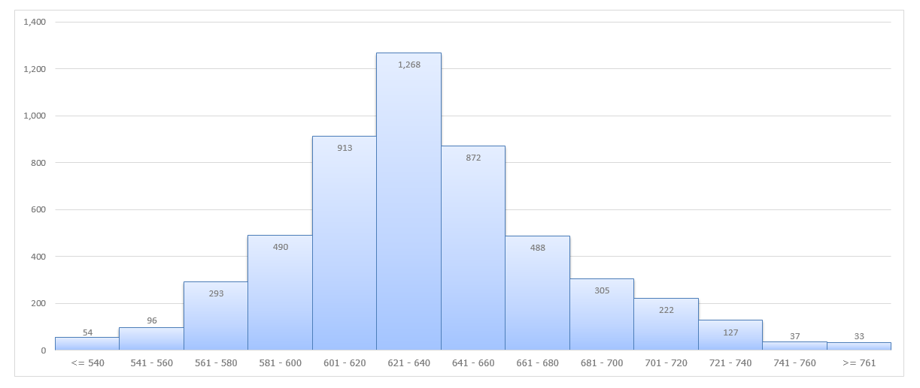

Final Scorecard Model
 | Variable | Bin | Bin Description | %Total | %Bad | WOE | IV | Total_IV | Point
 | Constant |  |  |  |  |  |  |  | 615
 | Payment per Salary | missing | Missing Value | 0.00% | 0.00% | 0 | 0 | 0 | 0
 |  | [-inf,0.1) | [-∞,0.1) | 15.12% | 0.72% | 1.025 | 0.101 | 0.411 | 20
 |  | [0.1,0.2) | [0.1,0.2) | 33.50% | 0.91% | 0.789 | 0.146 | 0.411 | 15
 |  | [0.2,0.3) | [0.2,0.3) | 20.78% | 2.21% | -0.107 | 0.003 | 0.411 | -2
 |  | [0.3,inf) | [0.3,∞) | 30.60% | 3.64% | -0.622 | 0.162 | 0.411 | -12
 | Tenor | missing | Missing Value | 0.00% | 0.00% | 0 | 0 | 0 | 0
 |  | [-inf,3.0) | [-∞,3.0) | 11.48% | 0.19% | 2.364 | 0.25 | 0.379 | 50
 |  | [3.0,4.0) | [3.0,4.0) | 88.21% | 2.13% | -0.07 | 0.005 | 0.379 | -1
 |  | [4.0,inf) | [4.0,∞) | 0.31% | 28.57% | -2.983 | 0.124 | 0.379 | -63
 | Education level | missing | Missing Value | 59.47% | 2.13% | 0 | 0 | 0 | 0
 |  | A%,%B%,%C%,%D | University and College | 6.59% | 0.33% | 1.808 | 0.101 | 0.113 | 70
 |  | E | Technical school | 5.11% | 1.28% | 0.445 | 0.008 | 0.113 | 17
 |  | F%,%G | Elementary school | 28.83% | 2.20% | -0.102 | 0.003 | 0.113 | -4
 | Occupation | missing | Missing Value | 17.31% | 1.89% | 0 | 0 | 0 | 0
 | (Industry) | B%,%D%,%E%,%F%,%H%,%J%,%K%,%M%,%N%,%O%,%P%,%Q%... | Other | 19.84% | 0.44% | 1.523 | 0.24 | 0.327 | 25
 |  | G%,%S | -Transportation, storage and postal services | 7.94% | 1.65% | 0.19 | 0.003 | 0.327 | 3
 |  |  | -Public administration, social security and social organization
 |  | A%,%C%,%L | -Agriculture, forestry, animal husbandry and fishery | 43.58% | 2.30% | -0.152 | 0.011 | 0.327 | -2
 |  |  | -Manufacturing
 |  |  | -Leasing and business services
 |  | I | Information transmission, software and information technology services | 11.33% | 3.85% | -0.682 | 0.074 | 0.327 | -11
 | New car | missing | Missing Value | 0.00% | 0.00% | 0 | 0 | 0 | 0
 | /Used car | Y | New car | 31.73% | 1.44% | 0.324 | 0.029 | 0.039 | 9
 |  | N | Used car | 68.27% | 2.24% | -0.122 | 0.011 | 0.039 | -3
 | Percentage of car down payment | missing | Missing Value | 0.44% | 0.00% | 0 | 0 | 0 | 0
 |  | [-inf,0.33) | [-∞,0.33) | 73.92% | 2.36% | -0.167 | 0.022 | 0.142 | -4
 |  | [0.33,0.5) | [0.33,0.5) | 15.76% | 1.11% | 0.602 | 0.043 | 0.142 | 15
 |  | [0.5,inf) | [0.5,∞) | 9.89% | 0.66% | 1.122 | 0.076 | 0.142 | 28
 | Age | missing | Missing Value | 0.00% | 0.00% | 0 | 0 | 0 | 0
 |  | [-inf,30.0) | [-∞,30.0) | 33.54% | 1.95% | 0.018 | 0 | 0.054 | 1
 |  | [30.0,40.0) | [30.0,40.0) | 43.91% | 1.59% | 0.226 | 0.02 | 0.054 | 7
 |  | [40.0,50.0) | [40.0,50.0) | 17.33% | 2.77% | -0.341 | 0.024 | 0.054 | -11
 |  | [50.0,inf) | [50.0,∞) | 5.22% | 2.93% | -0.398 | 0.01 | 0.054 | -13
 | Car actual price | missing | Missing Value | 0.44% | 0.00% | 0 | 0 | 0 | 0
 |  | [-inf,50.0) | [-∞,50.0) | 21.96% | 0.99% | 0.712 | 0.08 | 0.373 | 19
 |  | [50.0,100.0) | [50.0,100.0) | 47.21% | 1.34% | 0.409 | 0.065 | 0.373 | 11
 |  | [100.0,200.0) | [100.0,200.0) | 23.96% | 3.01% | -0.415 | 0.051 | 0.373 | -11
 |  | [200.0,inf) | [200.0,∞) | 6.44% | 6.44% | -1.213 | 0.176 | 0.373 | -33

2021
 | Comments: 1.Analysis sample are from 26 Mar 2019 to 28 Jun 2021, the phases distinguish logic is as bellow: WCD Phase I: Disbursed before 19 May 2020; WCD Phase II: Disbursed from 19 May 2020 to Dec 2020; WCD Phase III&IV: Disbursed from 14 May 2021; 2.Bad definition = Current 30+ DPD on 28 Jun 2021.

Part I: Credit Rating Distribution

 | RCCR | WCD Phase I |  |  |  | WCD Phase II |  |  |  | WCD Phase III&IV |  |  |  | Total | Yixin
 |  | Sum Count | Percentage | Bad Count | Bad Rate | Sum Count | Percentage | Bad Count | Bad Rate | Sum Count | Percentage | Bad Count | Bad Rate |  | Sum Count | Percentage
1[671-999] | 1 | 2979 | 29.19% | 15 | 0.50% | 416 | 61.09% | 0 | 0.00% | 272 | 18.68% | 0 | 0.00% | 3667 | 1803 | 18.05%
2[636-670] | 2 | 3261 | 31.95% | 35 | 1.07% | 173 | 25.40% | 2 | 1.16% | 281 | 19.30% | 0 | 0.00% | 3715 | 3730 | 37.35%
3[606-635] | 3 | 2567 | 25.15% | 45 | 1.75% | 88 | 12.92% | 0 | 0.00% | 235 | 16.14% | 0 | 0.00% | 2890 | 3280 | 32.84%
4[586-605] | 4 | 802 | 7.86% | 37 | 4.61% | 3 | 0.44% | 0 | 0.00% | 222 | 15.25% | 0 | 0.00% | 1027 | 894 | 8.95%
5[576-585] | 5 | 240 | 2.35% | 12 | 5.00% | 0 | 0.00% | 0 | 0.00% | 111 | 7.62% | 0 | 0.00% | 351 | 176 | 1.76%
6[561-575] | 6 | 201 | 1.97% | 13 | 6.47% | 1 | 0.15% | 0 | 0.00% | 187 | 12.84% | 0 | 0.00% | 389 | 93 | 0.93%
7[546-560] | 7 | 89 | 0.87% | 3 | 3.37% | 0 | 0.00% | 0 | 0.00% | 81 | 5.56% | 0 | 0.00% | 170 | 10 | 0.10%
8[521-545] | 8 | 60 | 0.59% | 1 | 1.67% | 0 | 0.00% | 0 | 0.00% | 63 | 4.33% | 0 | 0.00% | 123 | 1 | 0.01%
9[501-520] | 9 | 8 | 0.08% | 0 | 0.00% | 0 | 0.00% | 0 | 0.00% | 4 | 0.27% | 0 | 0.00% | 12 |  | 0.00%
 | Total | 10207 | 100.00% | 161 | 1.58% | 681 | 100.00% | 2 | 0.29% | 1456 | 100.00% | 0 | 0.00% | 12344 | 9987 | 100.00%
Credit Rating Distribution

 | Average Portfolio PD
 | RCCR | WCD Phase I |  | WCD Phase II |  | WCD Phase III&IV
 |  | Percentage | PD | Percentage | PD | Percentage | PD
 | 1 | 29.19% | 0.20% | 61.09% | 0.20% | 18.68% | 0.20%
 | 2 | 31.95% | 0.40% | 25.40% | 0.40% | 19.30% | 0.40%
 | 3 | 25.15% | 0.79% | 12.92% | 0.79% | 16.14% | 0.79%
 | 4 | 7.86% | 1.57% | 0.44% | 1.57% | 15.25% | 1.57%
 | 5 | 2.35% | 3.10% | 0.00% | 3.10% | 7.62% | 3.10%
 | 6 | 1.97% | 6.02% | 0.15% | 6.02% | 12.84% | 6.02%
 | 7 | 0.87% | 11.35% | 0.00% | 11.35% | 5.56% | 11.35%
 | 8 | 0.59% | 20.38% | 0.00% | 20.38% | 4.33% | 20.38%
 | 9 | 0.08% | 33.86% | 0.00% | 33.86% | 0.27% | 33.86%
 | 10 | 0.00% | 50.59% | 0.00% | 50.59% | 0.00% | 50.59%
 | 11 | 0.00% | 67.91% | 0.00% | 67.91% | 0.00% | 67.91%
 | 12 | 0.00% | 80.38% | 0.00% | 80.38% | 0.00% | 80.38%
 | Average Portfolio PD |  | 0.94% |  | 0.34% |  | 3.10%

Part II:Model Performance

 | Performance of A scorecard for Car Loan
 | Index | Actual | Threshold for re-development | Result
 | KS: | 32% | >20% Passable | PASS
 | Gini: | 44% | >30% Passable | PASS
 | Stability: PSI | 4.01% | <10% Stable | PASS

Credit Rating Distribution
 |  |  | KS: | 0.3248
 | RCCR-WCD Phase I |  | Gini: | 0.4402

 | Value | Count | Percentage | Badrate
 | 1[671-999] | 2,979 | 29.19% | 0.50%
 | 2[636-670] | 3,261 | 31.95% | 1.07%
 | 3[606-635] | 2,567 | 25.15% | 1.75%
 | 4[586-605] | 802 | 7.86% | 4.61%
 | 5[576-585] | 240 | 2.35% | 5.00%
 | 6[561-575] | 201 | 1.97% | 6.47%
 | 7[546-560] | 89 | 0.87% | 3.37%
 | 8[521-545] | 60 | 0.59% | 1.67%
 | 9[501-520] | 8 | 0.08% | 0.00%
 | Total | 10,207 | 100.00% | 1.58%

Credit Rating Distribution-Train vs. Out of time
 | PSI-distribution | Baseline | Out-of-time
 | RCCR | Model Train 201903-201909 | 201910 | 201911 | 201912 | 202001-12 | Out-of-time 201910-202012
 | 1[671-999] | 31.44% | 29.74% | 29.38% | 20.31% | 31.59% | 28.17%
 | 2[636-670] | 32.25% | 29.81% | 30.96% | 29.25% | 37.41% | 32.11%
 | 3[606-635] | 24.28% | 25.61% | 23.89% | 29.88% | 23.52% | 25.49%
 | 4[586-605] | 7.91% | 8.40% | 8.31% | 9.80% | 3.86% | 7.40%
 | 5[576-585] | 2.22% | 2.36% | 2.55% | 3.22% | 1.37% | 2.31%
 | 6[561-575] | 1.30% | 2.30% | 2.36% | 4.08% | 1.13% | 2.36%
 | 7[546-560] | 0.53% | 0.92% | 1.18% | 1.73% | 0.65% | 1.08%
 | 8[521-545] | 0.07% | 0.72% | 1.24% | 1.49% | 0.48% | 0.95%
 | 9[501-520] | 0.02% | 0.13% | 0.13% | 0.24% | 0.00% | 0.12%

 | Stability(PSI) | Baseline | Out-of-time
 | RCCR | Model Train 201903-201909 | 201910 | 201911 | 201912 | 202001-12 | Out-of-time 201910-202012
 | 1[671-999] | 0.0000 | 0.0009 | 0.0014 | 0.0486 | 0.0000 | 0.0036
 | 2[636-670] | 0.0000 | 0.0019 | 0.0005 | 0.0029 | 0.0077 | 0.0000
 | 3[606-635] | 0.0000 | 0.0007 | 0.0001 | 0.0117 | 0.0002 | 0.0006
 | 4[586-605] | 0.0000 | 0.0003 | 0.0002 | 0.0041 | 0.0290 | 0.0003
 | 5[576-585] | 0.0000 | 0.0001 | 0.0005 | 0.0037 | 0.0041 | 0.0000
 | 6[561-575] | 0.0000 | 0.0057 | 0.0063 | 0.0319 | 0.0002 | 0.0064
 | 7[546-560] | 0.0000 | 0.0022 | 0.0052 | 0.0142 | 0.0003 | 0.0040
 | 8[521-545] | 0.0000 | 0.0157 | 0.0346 | 0.0444 | 0.0081 | 0.0235
 | 9[501-520] | 0.0000 | 0.0020 | 0.0019 | 0.0051 | 0.0000 | 0.0016
 | TOTAL | 0.0000 | 0.0295 | 0.0507 | 0.1665 | 0.0497 | 0.0401

Part III: Factors Distribution

LTV
 |  |  | IV | 0.4208
 | LTV |  | Gini: | 0.3180

 | Value | WCD Phase I Perc% | WCD Phase II Perc% | WCD Phase III&IV Perc% | WCD Phase I Bad Rate
 | [-∞,0.4) | 1.1% | 1.3% | 4.5% | 0.00% | 0
 | [0.4,0.5) | 4.5% | 5.1% | 15.1% | 0.22% | 1
 | [0.5,0.6) | 6.6% | 8.5% | 64.6% | 0.15% | 1
 | [0.6,0.7) | 14.7% | 12.6% | 11.5% | 0.86% | 13
 | [0.7,0.8) | 29.9% | 23.3% | 4.3% | 1.57% | 48
 | [0.8,0.9) | 27.9% | 24.5% | 0.0% | 2.84% | 81
 | [0.9,∞) | 15.2% | 24.5% | 0.0% | 1.10% | 17
 | Total | 100.0% | 100.0% | 100.0% | 1.58%

LTV
 | Value | WCD Phase I Perc% | WCD Phase II Perc% | WCD Phase III&IV Perc% | WCD Phase I Bad Rate
 | [-∞,0.4) | 1.1% | 1.3% | 4.5% | 0.00%
 | [0.4,0.5) | 4.5% | 5.1% | 15.1% | 0.22%
 | [0.5,0.6) | 6.6% | 8.5% | 64.6% | 0.15%
 | [0.6,0.7) | 14.7% | 12.6% | 11.5% | 0.86%
 | [0.7,0.8) | 29.9% | 23.3% | 4.3% | 1.57%
 | [0.8,∞) | 43.1% | 49.0% | 0.0% | 2.23%
 | Total | 100.0% | 100.0% | 100.0% | 1.58%

new_car_flag
 |  |  | IV | 0.5644
 | New_car_flag |  | Gini: | 0.2826

 | Value | WCD Phase I Perc% | WCD Phase II Perc% | WCD Phase III&IV Perc% | WCD Phase I Bad Rate | Bin-score
 | New car | 34.6% | 61.2% | 98.1% | 0.31% | 9
 | Used car | 65.4% | 38.8% | 1.9% | 2.25% | -3
 | Total | 100.0% | 100.0% | 100.0% | 1.58%

appraisal_price
 |  |  | IV | 0.1400
 | Appraisal_price |  | Gini: | 0.1795

 | Value | WCD Phase I Perc% | WCD Phase II Perc% | WCD Phase III&IV Perc% | WCD Phase I Bad Rate | Bin-score
 | [-∞,50.0) | 20.6% | 13.4% | 11.0% | 1.24% | 19
 | [50.0,100.0) | 47.9% | 54.5% | 18.9% | 1.21% | 11
 | [100.0,200.0) | 25.6% | 25.7% | 48.9% | 2.03% | -11
 | [200.0,∞) | 5.8% | 6.5% | 21.2% | 3.86% | -33
 | Total | 100.0% | 100.0% | 100.0% | 1.58%

Disbursed amount
 |  |  | IV | 0.2321
 | Disbursed amount |  | Gini: | 0.2413

 | Value | WCD Phase I Perc% | WCD Phase II Perc% | WCD Phase III&IV Perc% | WCD Phase I Bad Rate
 | [-∞,50.0) | 39.4% | 32.6% | 25.2% | 0.97%
 | [50.0,100.0) | 46.6% | 50.8% | 51.1% | 1.51%
 | [100.0,200.0) | 12.2% | 16.2% | 21.2% | 3.14%
 | [200.0,∞) | 1.8% | 0.4% | 2.5% | 5.91%
 | Total | 100.0% | 100.0% | 100.0% | 1.58%

loan_term
 |  |  | IV | 0.3533
 | Loan_term |  | Gini: | 0.2005

 | Value | WCD Phase I Perc% | WCD Phase II Perc% | WCD Phase III&IV Perc% | WCD Phase I Bad Rate | Bin-score
 | [-∞,3.0) | 25.3% | 13.1% | 8.0% | 0.35% | 50
 | [3.0,4.0) | 72.0% | 86.9% | 21.1% | 2.05% | -1
 | [4.0,∞) | 2.7% | 0.0% | 70.9% | 0.37% | -63
 | Total | 100.0% | 100.0% | 100.0% | 1.58%

installment_to_income
 |  |  | IV | 0.0980
 | Installment_to_income |  | Gini: | 0.1698

 | Value | WCD Phase I Perc% | WCD Phase II Perc% | WCD Phase III&IV Perc% | WCD Phase I Bad Rate | Bin-score
 | [-∞,0.1) | 16.8% | 65.2% | 51.3% | 1.05% | 20
 | [0.1,0.2) | 33.7% | 7.3% | 19.7% | 1.16% | 15
 | [0.2,0.3) | 21.1% | 4.8% | 8.4% | 1.76% | -2
 | [0.3,∞) | 28.4% | 22.6% | 20.5% | 2.24% | -12
 | Total | 100.0% | 100.0% | 100.0% | 1.58%

 |  |  | IV | 0.0759
 | Monthly Income |  | Gini: | 0.1498
Monthly Income
 | Value | WCD Phase I Perc% | WCD Phase II Perc% | WCD Phase III&IV Perc% | WCD Phase I Bad Rate
 | <=5000 | 15.5% | 18.4% | 19.2% | 1.20%
 | (5000,8000] | 24.7% | 4.6% | 8.2% | 2.10%
 | (8000,10000] | 20.6% | 2.5% | 11.7% | 1.29%
 | (10000,15000] | 13.1% | 3.5% | 9.9% | 2.02%
 | (15000,20000] | 9.6% | 4.3% | 8.6% | 1.74%
 | (20000,30000] | 7.1% | 8.2% | 8.8% | 0.96%
 | >=30000 | 9.4% | 58.6% | 33.7% | 1.15%
 | Total | 100.0% | 100.0% | 100.0% | 1.58%

percent_down_payment
 |  |  | IV | 0.1278
 | Percent_down_payment |  | Gini: | 0.1401

 | Value | WCD Phase I Perc% | WCD Phase II Perc% | WCD Phase III&IV Perc% | WCD Phase I Bad Rate | Bin-score
 | Missing Value | 0.8% | 0.0% | 0.0% | 3.66% | 0
 | [-∞,0.33) | 74.4% | 78.4% | 86.2% | 1.83% | -4
 | [0.33,0.5) | 16.0% | 9.5% | 10.6% | 0.79% | 15
 | [0.5,∞) | 8.7% | 12.0% | 3.2% | 0.67% | 28
 | Total | 100.0% | 100.0% | 100.0% | 1.58%

age
 |  |  | IV | 0.0251
 | Age |  | Gini: | 0.0500

 | Value | WCD Phase I Perc% | WCD Phase II Perc% | WCD Phase III&IV Perc% | WCD Phase I Bad Rate | Bin-score
 | [-∞,30.0) | 27.4% | 23.8% | 31.5% | 1.82% | 1
 | [30.0,40.0) | 46.7% | 46.7% | 42.1% | 1.49% | 7
 | [40.0,50.0) | 19.1% | 20.6% | 18.1% | 1.44% | -11
 | [50.0,∞) | 6.8% | 9.0% | 8.3% | 1.59% | -13
 | Total | 100.0% | 100.0% | 100.0% | 1.58%

education
 |  |  | IV | 0.6924
 | Education |  | Gini: | 0.3573

 | Value | WCD Phase I Perc% | WCD Phase II Perc% | WCD Phase III&IV Perc% | WCD Phase I Bad Rate | Bin-score
 | Missing Value | 54.0% | 18.6% | 10.2% | 2.59% | 0
 | University and College | 7.8% | 42.6% | 27.1% | 0.25% | 70
 | Technical school | 6.3% | 6.5% | 13.7% | 0.47% | 17
 | Elementary school | 31.9% | 32.3% | 49.0% | 0.40% | -4
 | Total | 100.0% | 100.0% | 100.0% | 1.58%

occupation_industry (WCD Phase I)
 |  |  | IV | 0.0383
 | Occupation_industry |  | Gini: | 0.1010

 | Value | WCD Phase I Perc% | WCD Phase II Perc% | WCD Phase III&IV Perc% | WCD Phase I Bad Rate | Bin-score
 | Group1 | 35.7% | 76.5% | 81.8% | 1.21% | 25
 | Group2 | 7.6% | 8.5% | 2.7% | 1.42% | 3
 | Group3 | 45.2% | 13.8% | 14.7% | 1.80% | -2
 | Group4 | 11.6% | 1.2% | 0.8% | 1.95% | -11
 | Total | 100.0% | 100.0% | 100.0% | 1.58%

 | Occupation_industry Note:
 | Group1: Other
 | Group2: Transportation, storage and postal services;Public administration, social security and social organization
 | Group3: Agriculture, forestry, animal husbandry and fishery;Manufacturing;Leasing and business services
 | Group4: Information transmission, software and information technology services

